Sheet1
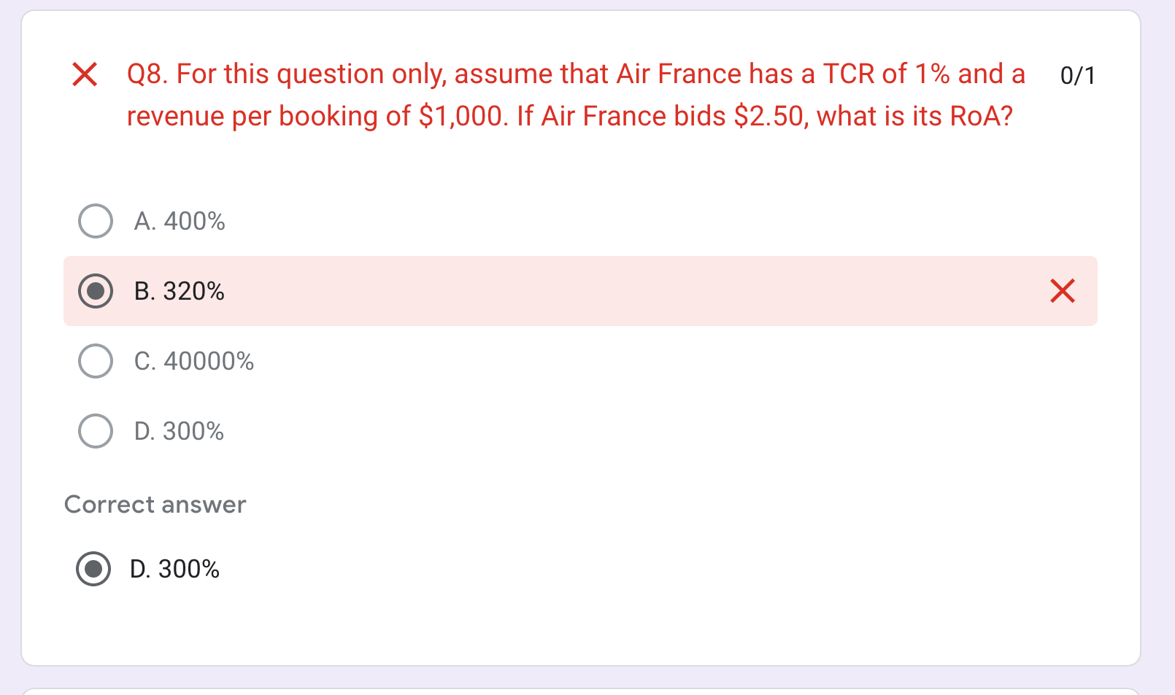
tcr | 0.01
rev per book | 1000
clicks | 128
cost per click | 2.5
total cost | 320
revenue per booking | 1000
tcr*clicks | 1.28
total revenue from campaign | 1280
rev - cost | 960
growth | 3

